TEDB Edition 40
The relationship between gallons used over a given distance and miles per gallon (mpg) is not linear. Thus, an increase in fuel economy by 5 mpg does not translate to a constant fuel savings amount. Replacing a low-mpg car or truck with one that has just slightly better fuel economy will save more fuel than replacing a high-mpg car or truck with a more efficient vehicle. For example, replacing a truck that gets 10 mpg for a new one that gets 15 mpg will save 33 gallons of fuel for every 1,000 miles driven. In contrast, replacing a 30-mpg car with a new car that gets 35 mpg will save 5 gallons of fuel for every 1,000 miles driven.

Figure 4.3. Fuel Use versus Fuel Economy
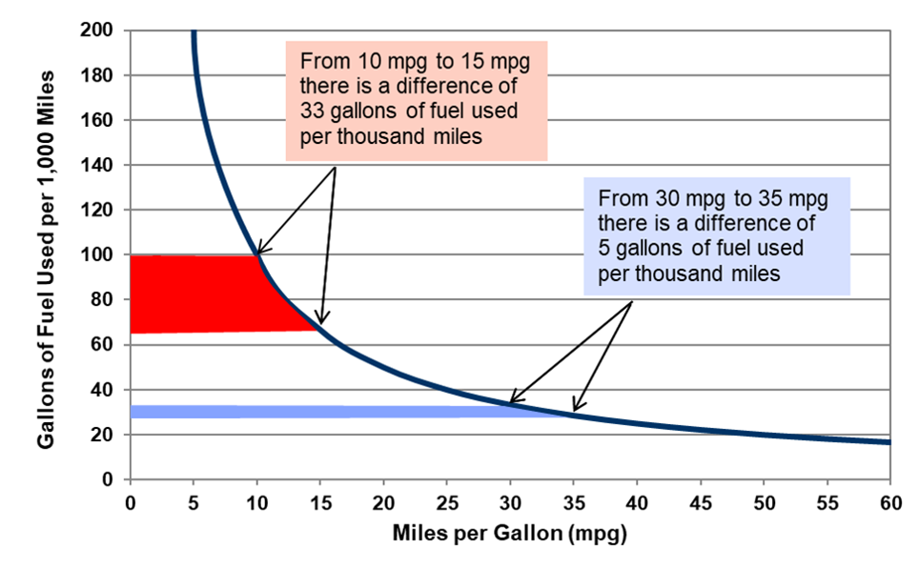

 | Fuel economy | Gallons per one thousand miles
 | 5 | 200
 | 10 | 100
 | 15 | 66.7
 | 20 | 50
 | 25 | 40
 | 30 | 33.3
 | 35 | 28.6
 | 40 | 25
 | 45 | 22.2
 | 50 | 20
 | 55 | 18.2
 | 60 | 16.7

 | Note: Each category on the horizontal axis shows a five-mile per gallon improvement in fuel economy.

 | Source:
 | U.S. Department of Energy, fuel economy data,
 | http://www.fueleconomy.gov

